Layout
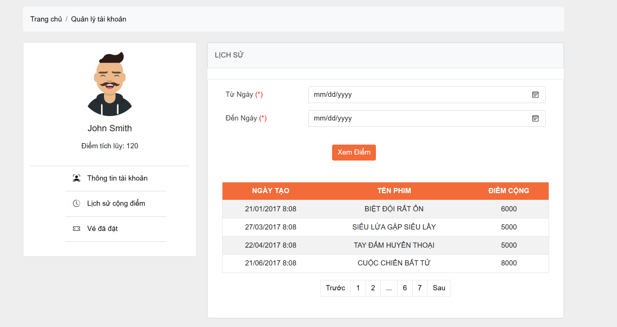
6.4.1.2 Màn hình người dùng - Quản lí đặt vé của tài khoản
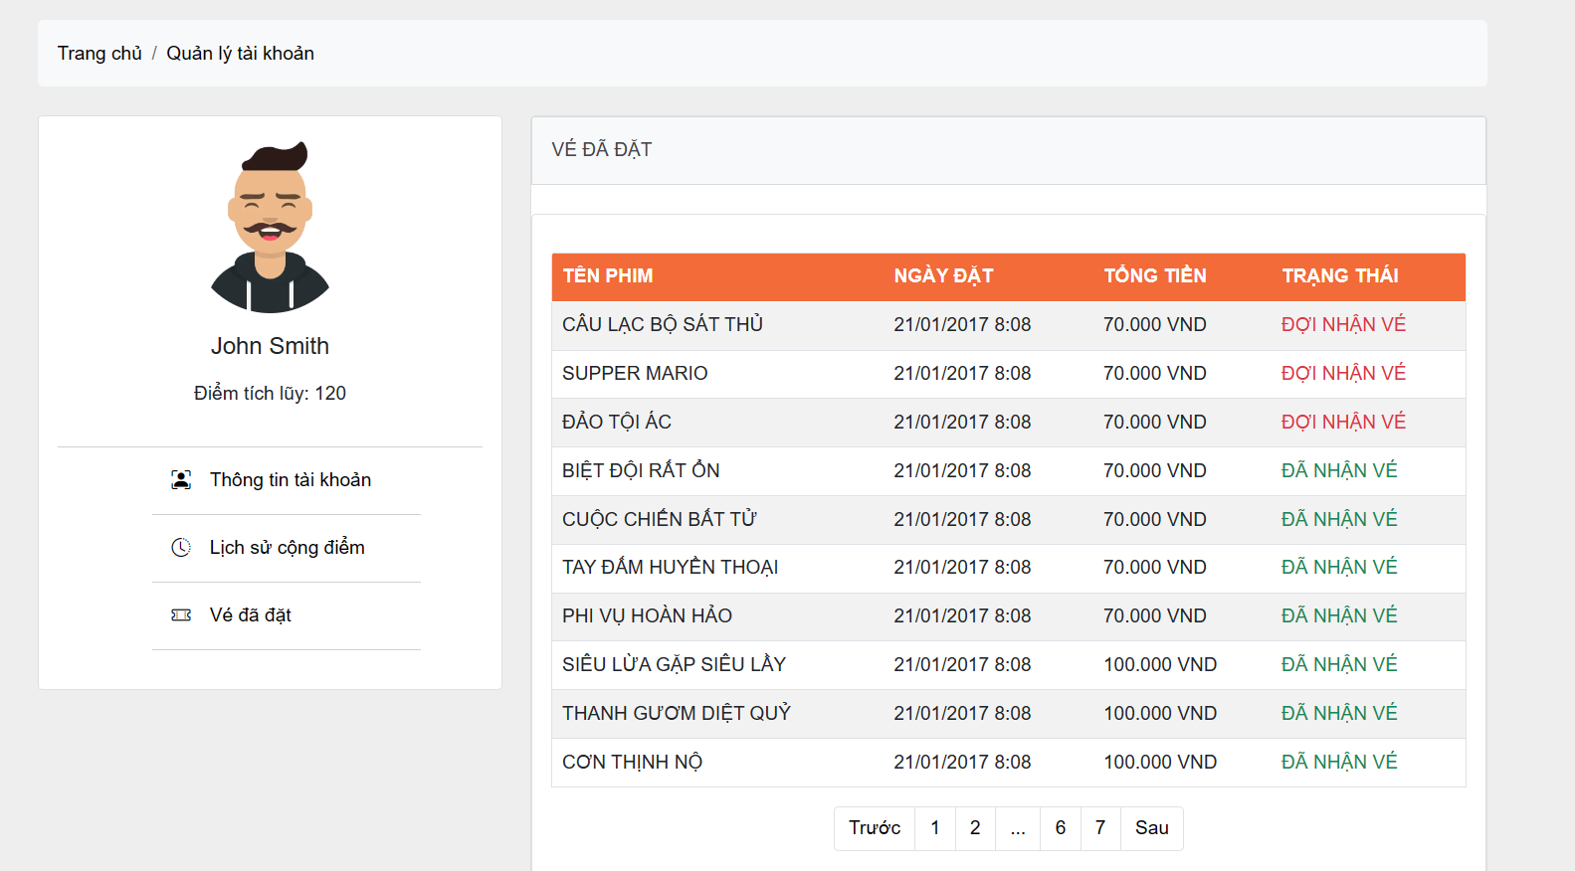

6.4.1.3 Màn hình người dùng - Quản lí lịch sử cộng điểm

